output_mb10_1
hadoop jar ProjectCEI526_v3.jar /user/hdoop/mb10/ /user/hdoop/mapreduce_application/output_mb10_1_version2 1992-01-01 1994-01-01 |  |  | Command | hadoop jar ProjectCEI526_v3.jar /user/hdoop/mb10/ /user/hdoop/mapreduce_application/output_mb10_1 1992-01-01 1994-01-01
2022-04-27 12:21:46,798 INFO client.RMProxy: Connecting to ResourceManager at /127.0.0.1:8032
2022-04-27 12:21:47,197 WARN mapreduce.JobResourceUploader: Hadoop command-line option parsing not performed. Implement the Tool interface and execute your application with ToolRunner to remedy this.
2022-04-27 12:21:47,237 INFO mapreduce.JobResourceUploader: Disabling Erasure Coding for path: /tmp/hadoop-yarn/staging/hdoop/.staging/job_1651042588362_0014
2022-04-27 12:21:47,775 INFO input.FileInputFormat: Total input files to process : 1
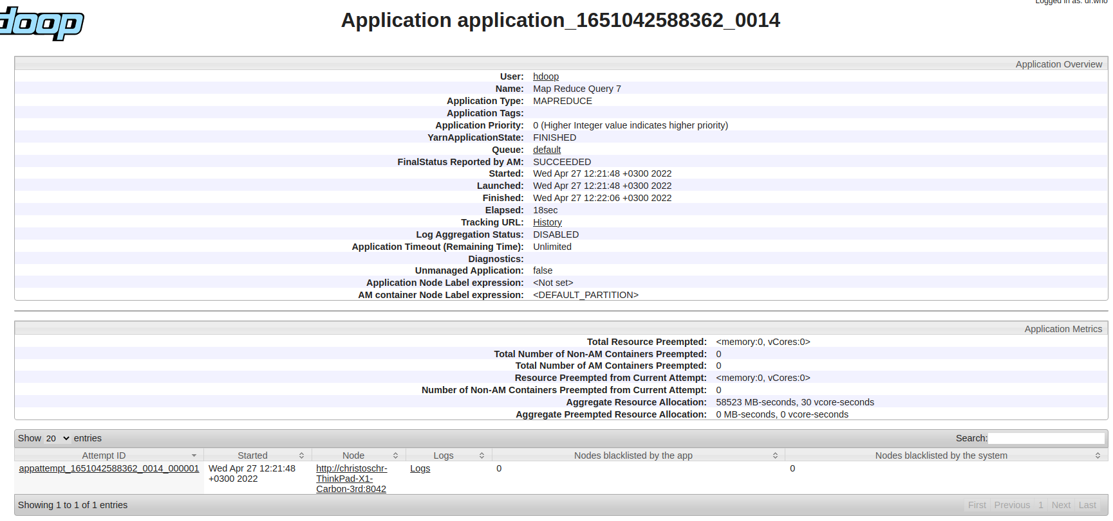
2022-04-27 12:21:47,970 INFO mapreduce.JobSubmitter: number of splits:1
2022-04-27 12:21:48,146 INFO mapreduce.JobSubmitter: Submitting tokens for job: job_1651042588362_0014
2022-04-27 12:21:48,148 INFO mapreduce.JobSubmitter: Executing with tokens: []
2022-04-27 12:21:48,361 INFO conf.Configuration: resource-types.xml not found
2022-04-27 12:21:48,361 INFO resource.ResourceUtils: Unable to find 'resource-types.xml'.
2022-04-27 12:21:48,430 INFO impl.YarnClientImpl: Submitted application application_1651042588362_0014
2022-04-27 12:21:48,474 INFO mapreduce.Job: The url to track the job: http://christoschr-ThinkPad-X1-Carbon-3rd:8088/proxy/application_1651042588362_0014/
2022-04-27 12:21:48,474 INFO mapreduce.Job: Running job: job_1651042588362_0014
2022-04-27 12:21:56,610 INFO mapreduce.Job: Job job_1651042588362_0014 running in uber mode : false
2022-04-27 12:21:56,612 INFO mapreduce.Job: map 0% reduce 0%
2022-04-27 12:22:01,692 INFO mapreduce.Job: map 100% reduce 0%
2022-04-27 12:22:06,734 INFO mapreduce.Job: map 100% reduce 100%
2022-04-27 12:22:08,762 INFO mapreduce.Job: Job job_1651042588362_0014 completed successfully
2022-04-27 12:22:08,854 INFO mapreduce.Job: Counters: 54
 | File System Counters
 |  | FILE: Number of bytes read=72555
 |  | FILE: Number of bytes written=613897
 |  | FILE: Number of read operations=0
 |  | FILE: Number of large read operations=0
 |  | FILE: Number of write operations=0
 |  | HDFS: Number of bytes read=1644250
 |  | HDFS: Number of bytes written=16573
 |  | HDFS: Number of read operations=8
 |  | HDFS: Number of large read operations=0
 |  | HDFS: Number of write operations=2
 |  | HDFS: Number of bytes read erasure-coded=0
 | Job Counters
 |  | Launched map tasks=1
 |  | Launched reduce tasks=1
 |  | Data-local map tasks=1
 |  | Total time spent by all maps in occupied slots (ms)=2907
 |  | Total time spent by all reduces in occupied slots (ms)=2550
 |  | Total time spent by all map tasks (ms)=2907
 |  | Total time spent by all reduce tasks (ms)=2550
 |  | Total vcore-milliseconds taken by all map tasks=2907
 |  | Total vcore-milliseconds taken by all reduce tasks=2550
 |  | Total megabyte-milliseconds taken by all map tasks=2976768
 |  | Total megabyte-milliseconds taken by all reduce tasks=2611200
 | Map-Reduce Framework
 |  | Map input records=15000
 |  | Map output records=4563
 |  | Map output bytes=63423
 |  | Map output materialized bytes=72555
 |  | Input split bytes=113
 |  | Combine input records=0
 |  | Combine output records=0
 |  | Reduce input groups=979
 |  | Reduce shuffle bytes=72555
 |  | Reduce input records=4563
 |  | Reduce output records=979
 |  | Spilled Records=9126
 |  | Shuffled Maps =1
 |  | Failed Shuffles=0
 |  | Merged Map outputs=1
 |  | GC time elapsed (ms)=116
 |  | CPU time spent (ms)=3480
 |  | Physical memory (bytes) snapshot=527486976
 |  | Virtual memory (bytes) snapshot=5094150144
 |  | Total committed heap usage (bytes)=445120512
 |  | Peak Map Physical memory (bytes)=330862592
 |  | Peak Map Virtual memory (bytes)=2544316416
 |  | Peak Reduce Physical memory (bytes)=196624384
 |  | Peak Reduce Virtual memory (bytes)=2549833728
 | Shuffle Errors
 |  | BAD_ID=0
 |  | CONNECTION=0
 |  | IO_ERROR=0
 |  | WRONG_LENGTH=0
 |  | WRONG_MAP=0
 |  | WRONG_REDUCE=0
 | File Input Format Counters
 |  | Bytes Read=1644137
 | File Output Format Counters
 |  | Bytes Written=16573

output_mb100_1
2022-04-27 10:12:35,940 INFO mapreduce.Job: map 0% reduce 0% |  |  | Command | hadoop jar ProjectCEI526_v3.jar /user/hdoop/mb100/ /user/hdoop/mapreduce_application/output_mb100_1 1992-01-01 1994-01-01
2022-04-27 10:12:42,007 INFO mapreduce.Job: map 100% reduce 0%
2022-04-27 10:12:48,057 INFO mapreduce.Job: map 100% reduce 100%
2022-04-27 10:12:48,073 INFO mapreduce.Job: Job job_1651042588362_0002 completed successfully
2022-04-27 10:12:48,166 INFO mapreduce.Job: Counters: 54
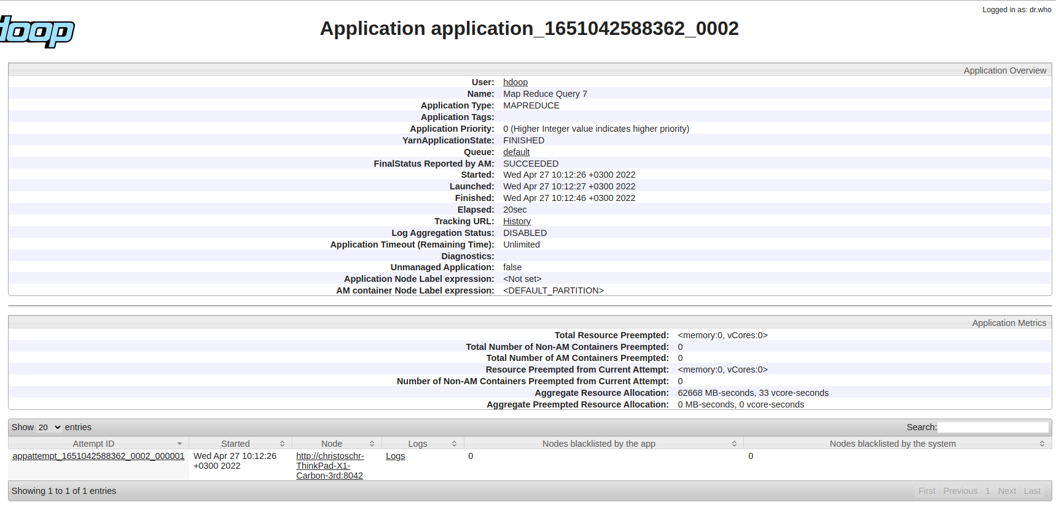
 | File System Counters
 |  | FILE: Number of bytes read=762588
 |  | FILE: Number of bytes written=1993949
 |  | FILE: Number of read operations=0
 |  | FILE: Number of large read operations=0
 |  | FILE: Number of write operations=0
 |  | HDFS: Number of bytes read=16743236
 |  | HDFS: Number of bytes written=174620
 |  | HDFS: Number of read operations=8
 |  | HDFS: Number of large read operations=0
 |  | HDFS: Number of write operations=2
 |  | HDFS: Number of bytes read erasure-coded=0
 | Job Counters
 |  | Launched map tasks=1
 |  | Launched reduce tasks=1
 |  | Data-local map tasks=1
 |  | Total time spent by all maps in occupied slots (ms)=4358
 |  | Total time spent by all reduces in occupied slots (ms)=3106
 |  | Total time spent by all map tasks (ms)=4358
 |  | Total time spent by all reduce tasks (ms)=3106
 |  | Total vcore-milliseconds taken by all map tasks=4358
 |  | Total vcore-milliseconds taken by all reduce tasks=3106
 |  | Total megabyte-milliseconds taken by all map tasks=4462592
 |  | Total megabyte-milliseconds taken by all reduce tasks=3180544
 | Map-Reduce Framework
 |  | Map input records=150000
 |  | Map output records=45172
 |  | Map output bytes=672238
 |  | Map output materialized bytes=762588
 |  | Input split bytes=114
 |  | Combine input records=0
 |  | Combine output records=0
 |  | Reduce input groups=9746
 |  | Reduce shuffle bytes=762588
 |  | Reduce input records=45172
 |  | Reduce output records=9746
 |  | Spilled Records=90344
 |  | Shuffled Maps =1
 |  | Failed Shuffles=0
 |  | Merged Map outputs=1
 |  | GC time elapsed (ms)=130
 |  | CPU time spent (ms)=6000
 |  | Physical memory (bytes) snapshot=670064640
 |  | Virtual memory (bytes) snapshot=5089312768
 |  | Total committed heap usage (bytes)=559415296
 |  | Peak Map Physical memory (bytes)=453398528
 |  | Peak Map Virtual memory (bytes)=2540113920
 |  | Peak Reduce Physical memory (bytes)=216666112
 |  | Peak Reduce Virtual memory (bytes)=2549198848
 | Shuffle Errors
 |  | BAD_ID=0
 |  | CONNECTION=0
 |  | IO_ERROR=0
 |  | WRONG_LENGTH=0
 |  | WRONG_MAP=0
 |  | WRONG_REDUCE=0
 | File Input Format Counters
 |  | Bytes Read=16743122
 | File Output Format Counters
 |  | Bytes Written=174620

output_mb200_1
hadoop jar ProjectCEI526_v3.jar /user/hdoop/mb200/ /user/hdoop/mapreduce_application/output_mb200_1 1992-01-01 1994-01-01
2022-04-27 10:15:20,473 INFO client.RMProxy: Connecting to ResourceManager at /127.0.0.1:8032
2022-04-27 10:15:20,894 WARN mapreduce.JobResourceUploader: Hadoop command-line option parsing not performed. Implement the Tool interface and execute your application with ToolRunner to remedy this.
2022-04-27 10:15:20,935 INFO mapreduce.JobResourceUploader: Disabling Erasure Coding for path: /tmp/hadoop-yarn/staging/hdoop/.staging/job_1651042588362_0003
2022-04-27 10:15:21,565 INFO input.FileInputFormat: Total input files to process : 1
2022-04-27 10:15:21,767 INFO mapreduce.JobSubmitter: number of splits:1
2022-04-27 10:15:21,945 INFO mapreduce.JobSubmitter: Submitting tokens for job: job_1651042588362_0003
2022-04-27 10:15:21,947 INFO mapreduce.JobSubmitter: Executing with tokens: []
2022-04-27 10:15:22,138 INFO conf.Configuration: resource-types.xml not found
2022-04-27 10:15:22,138 INFO resource.ResourceUtils: Unable to find 'resource-types.xml'.
2022-04-27 10:15:22,203 INFO impl.YarnClientImpl: Submitted application application_1651042588362_0003
2022-04-27 10:15:22,240 INFO mapreduce.Job: The url to track the job: http://christoschr-ThinkPad-X1-Carbon-3rd:8088/proxy/application_1651042588362_0003/
2022-04-27 10:15:22,241 INFO mapreduce.Job: Running job: job_1651042588362_0003
2022-04-27 10:15:31,363 INFO mapreduce.Job: Job job_1651042588362_0003 running in uber mode : false
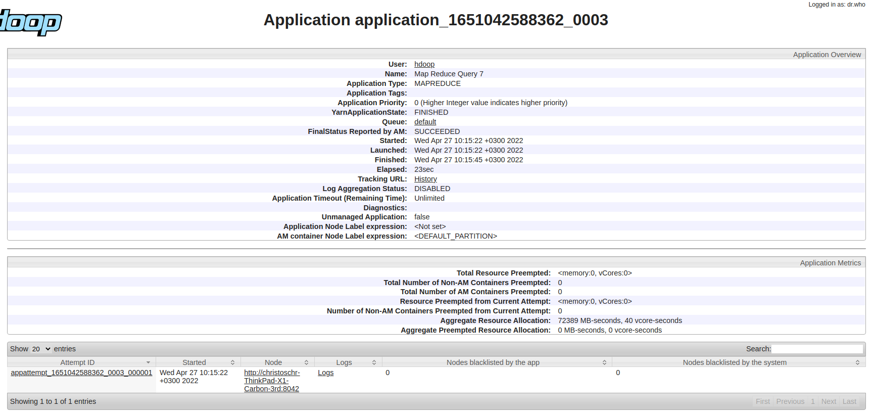
2022-04-27 10:15:31,364 INFO mapreduce.Job: map 0% reduce 0%
2022-04-27 10:15:39,500 INFO mapreduce.Job: map 100% reduce 0%
2022-04-27 10:15:45,543 INFO mapreduce.Job: map 100% reduce 100%
2022-04-27 10:15:46,574 INFO mapreduce.Job: Job job_1651042588362_0003 completed successfully
2022-04-27 10:15:46,670 INFO mapreduce.Job: Counters: 54
 | File System Counters
 |  | FILE: Number of bytes read=1561933
 |  | FILE: Number of bytes written=3592639
 |  | FILE: Number of read operations=0
 |  | FILE: Number of large read operations=0
 |  | FILE: Number of write operations=0
 |  | HDFS: Number of bytes read=33679839
 |  | HDFS: Number of bytes written=356423
 |  | HDFS: Number of read operations=8
 |  | HDFS: Number of large read operations=0
 |  | HDFS: Number of write operations=2
 |  | HDFS: Number of bytes read erasure-coded=0
 | Job Counters
 |  | Launched map tasks=1
 |  | Launched reduce tasks=1
 |  | Data-local map tasks=1
 |  | Total time spent by all maps in occupied slots (ms)=5547
 |  | Total time spent by all reduces in occupied slots (ms)=3334
 |  | Total time spent by all map tasks (ms)=5547
 |  | Total time spent by all reduce tasks (ms)=3334
 |  | Total vcore-milliseconds taken by all map tasks=5547
 |  | Total vcore-milliseconds taken by all reduce tasks=3334
 |  | Total megabyte-milliseconds taken by all map tasks=5680128
 |  | Total megabyte-milliseconds taken by all reduce tasks=3414016
 | Map-Reduce Framework
 |  | Map input records=300000
 |  | Map output records=90522
 |  | Map output bytes=1380883
 |  | Map output materialized bytes=1561933
 |  | Input split bytes=114
 |  | Combine input records=0
 |  | Combine output records=0
 |  | Reduce input groups=19488
 |  | Reduce shuffle bytes=1561933
 |  | Reduce input records=90522
 |  | Reduce output records=19488
 |  | Spilled Records=181044
 |  | Shuffled Maps =1
 |  | Failed Shuffles=0
 |  | Merged Map outputs=1
 |  | GC time elapsed (ms)=143
 |  | CPU time spent (ms)=7570
 |  | Physical memory (bytes) snapshot=717316096
 |  | Virtual memory (bytes) snapshot=5092728832
 |  | Total committed heap usage (bytes)=603455488
 |  | Peak Map Physical memory (bytes)=485810176
 |  | Peak Map Virtual memory (bytes)=2540879872
 |  | Peak Reduce Physical memory (bytes)=231505920
 |  | Peak Reduce Virtual memory (bytes)=2551848960
 | Shuffle Errors
 |  | BAD_ID=0
 |  | CONNECTION=0
 |  | IO_ERROR=0
 |  | WRONG_LENGTH=0
 |  | WRONG_MAP=0
 |  | WRONG_REDUCE=0
 | File Input Format Counters
 |  | Bytes Read=33679725
 | File Output Format Counters
 |  | Bytes Written=356423

output_mb500_1
hadoop jar ProjectCEI526_v3.jar /user/hdoop/mb500/ /user/hdoop/mapreduce_application/output_mb500_1 1992-01-01 1994-01-01
2022-04-27 10:17:59,347 INFO client.RMProxy: Connecting to ResourceManager at /127.0.0.1:8032
2022-04-27 10:17:59,744 WARN mapreduce.JobResourceUploader: Hadoop command-line option parsing not performed. Implement the Tool interface and execute your application with ToolRunner to remedy this.
2022-04-27 10:18:00,016 INFO mapreduce.JobResourceUploader: Disabling Erasure Coding for path: /tmp/hadoop-yarn/staging/hdoop/.staging/job_1651042588362_0004
2022-04-27 10:18:00,596 INFO input.FileInputFormat: Total input files to process : 1
2022-04-27 10:18:01,244 INFO mapreduce.JobSubmitter: number of splits:1
2022-04-27 10:18:01,429 INFO mapreduce.JobSubmitter: Submitting tokens for job: job_1651042588362_0004
2022-04-27 10:18:01,431 INFO mapreduce.JobSubmitter: Executing with tokens: []
2022-04-27 10:18:01,636 INFO conf.Configuration: resource-types.xml not found
2022-04-27 10:18:01,636 INFO resource.ResourceUtils: Unable to find 'resource-types.xml'.
2022-04-27 10:18:01,694 INFO impl.YarnClientImpl: Submitted application application_1651042588362_0004
2022-04-27 10:18:01,731 INFO mapreduce.Job: The url to track the job: http://christoschr-ThinkPad-X1-Carbon-3rd:8088/proxy/application_1651042588362_0004/
2022-04-27 10:18:01,732 INFO mapreduce.Job: Running job: job_1651042588362_0004
2022-04-27 10:18:09,866 INFO mapreduce.Job: Job job_1651042588362_0004 running in uber mode : false
2022-04-27 10:18:09,868 INFO mapreduce.Job: map 0% reduce 0%
2022-04-27 10:18:19,954 INFO mapreduce.Job: map 100% reduce 0%
2022-04-27 10:18:26,007 INFO mapreduce.Job: map 100% reduce 100%
2022-04-27 10:18:27,026 INFO mapreduce.Job: Job job_1651042588362_0004 completed successfully
2022-04-27 10:18:27,115 INFO mapreduce.Job: Counters: 54
 | File System Counters
 |  | FILE: Number of bytes read=3963546
 |  | FILE: Number of bytes written=8395865
 |  | FILE: Number of read operations=0
 |  | FILE: Number of large read operations=0
 |  | FILE: Number of write operations=0
 |  | HDFS: Number of bytes read=84793052
 |  | HDFS: Number of bytes written=902431
 |  | HDFS: Number of read operations=8
 |  | HDFS: Number of large read operations=0
 |  | HDFS: Number of write operations=2
 |  | HDFS: Number of bytes read erasure-coded=0
 | Job Counters
 |  | Launched map tasks=1
 |  | Launched reduce tasks=1
 |  | Data-local map tasks=1
 |  | Total time spent by all maps in occupied slots (ms)=8279
 |  | Total time spent by all reduces in occupied slots (ms)=3530
 |  | Total time spent by all map tasks (ms)=8279
 |  | Total time spent by all reduce tasks (ms)=3530
 |  | Total vcore-milliseconds taken by all map tasks=8279
 |  | Total vcore-milliseconds taken by all reduce tasks=3530
 |  | Total megabyte-milliseconds taken by all map tasks=8477696
 |  | Total megabyte-milliseconds taken by all reduce tasks=3614720
 | Map-Reduce Framework
 |  | Map input records=750000
 |  | Map output records=226677
 |  | Map output bytes=3510186
 |  | Map output materialized bytes=3963546
 |  | Input split bytes=114
 |  | Combine input records=0
 |  | Combine output records=0
 |  | Reduce input groups=48742
 |  | Reduce shuffle bytes=3963546
 |  | Reduce input records=226677
 |  | Reduce output records=48742
 |  | Spilled Records=453354
 |  | Shuffled Maps =1
 |  | Failed Shuffles=0
 |  | Merged Map outputs=1
 |  | GC time elapsed (ms)=160
 |  | CPU time spent (ms)=11440
 |  | Physical memory (bytes) snapshot=722485248
 |  | Virtual memory (bytes) snapshot=5088153600
 |  | Total committed heap usage (bytes)=616562688
 |  | Peak Map Physical memory (bytes)=493101056
 |  | Peak Map Virtual memory (bytes)=2540929024
 |  | Peak Reduce Physical memory (bytes)=229384192
 |  | Peak Reduce Virtual memory (bytes)=2547224576
 | Shuffle Errors
 |  | BAD_ID=0
 |  | CONNECTION=0
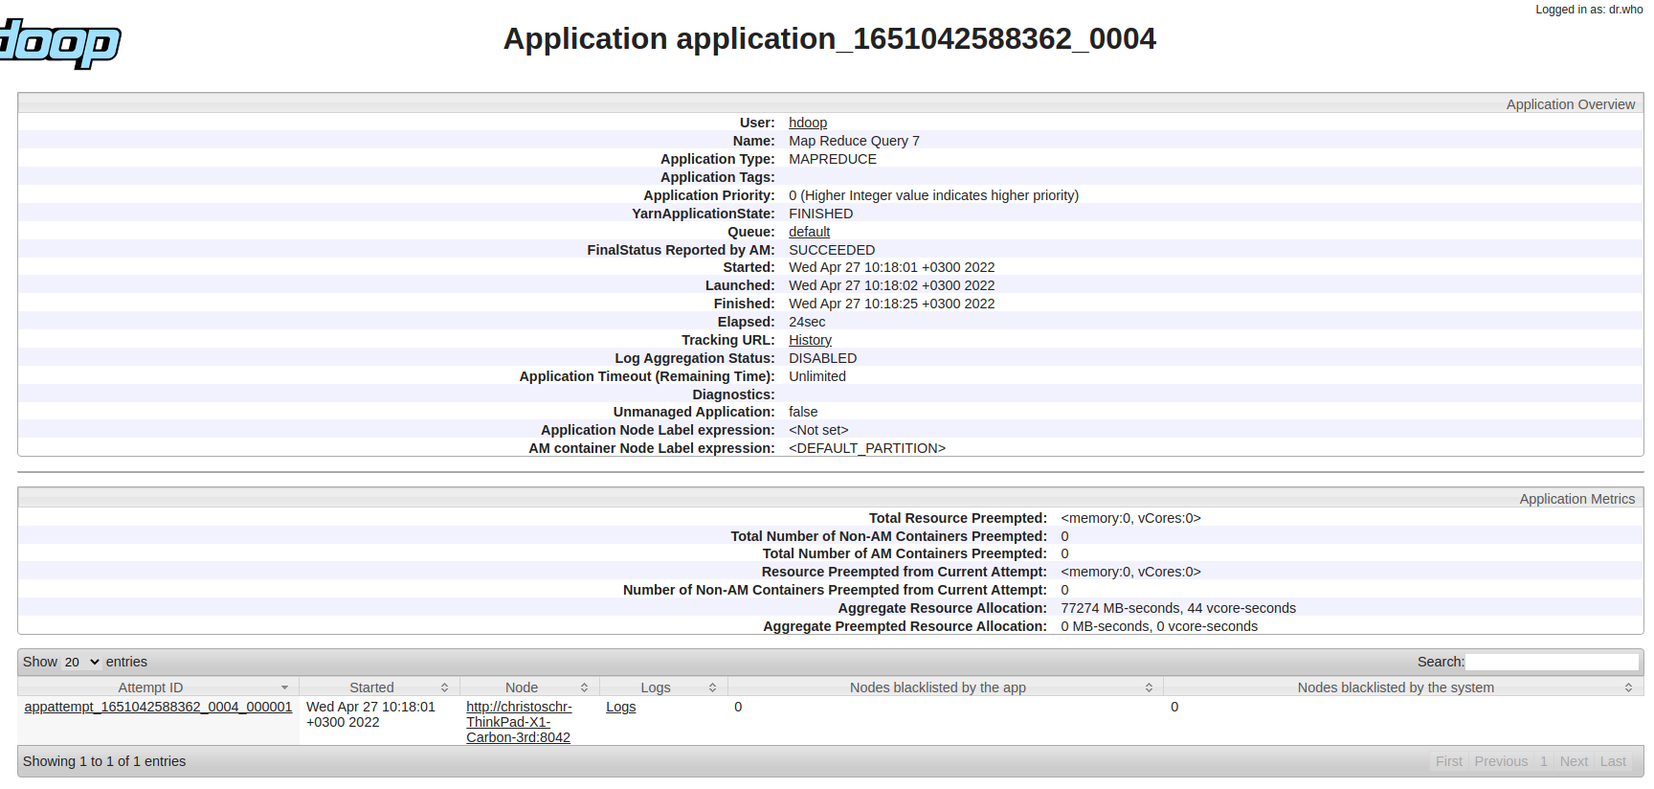
 |  | IO_ERROR=0
 |  | WRONG_LENGTH=0
 |  | WRONG_MAP=0
 |  | WRONG_REDUCE=0
 | File Input Format Counters
 |  | Bytes Read=84792938
 | File Output Format Counters
 |  | Bytes Written=902431

output_mb10_2
hadoop jar ProjectCEI526_v3.jar /user/hdoop/mb10/ /user/hdoop/mapreduce_application/output_mb10_2 1992-01-01 1996-01-01
2022-04-27 10:23:55,540 INFO client.RMProxy: Connecting to ResourceManager at /127.0.0.1:8032
2022-04-27 10:23:55,953 WARN mapreduce.JobResourceUploader: Hadoop command-line option parsing not performed. Implement the Tool interface and execute your application with ToolRunner to remedy this.
2022-04-27 10:23:56,228 INFO mapreduce.JobResourceUploader: Disabling Erasure Coding for path: /tmp/hadoop-yarn/staging/hdoop/.staging/job_1651042588362_0005
2022-04-27 10:23:56,854 INFO input.FileInputFormat: Total input files to process : 1
2022-04-27 10:23:57,045 INFO mapreduce.JobSubmitter: number of splits:1
2022-04-27 10:23:57,232 INFO mapreduce.JobSubmitter: Submitting tokens for job: job_1651042588362_0005
2022-04-27 10:23:57,233 INFO mapreduce.JobSubmitter: Executing with tokens: []
2022-04-27 10:23:57,412 INFO conf.Configuration: resource-types.xml not found
2022-04-27 10:23:57,412 INFO resource.ResourceUtils: Unable to find 'resource-types.xml'.
2022-04-27 10:23:57,471 INFO impl.YarnClientImpl: Submitted application application_1651042588362_0005
2022-04-27 10:23:57,509 INFO mapreduce.Job: The url to track the job: http://christoschr-ThinkPad-X1-Carbon-3rd:8088/proxy/application_1651042588362_0005/
2022-04-27 10:23:57,510 INFO mapreduce.Job: Running job: job_1651042588362_0005
2022-04-27 10:24:05,624 INFO mapreduce.Job: Job job_1651042588362_0005 running in uber mode : false
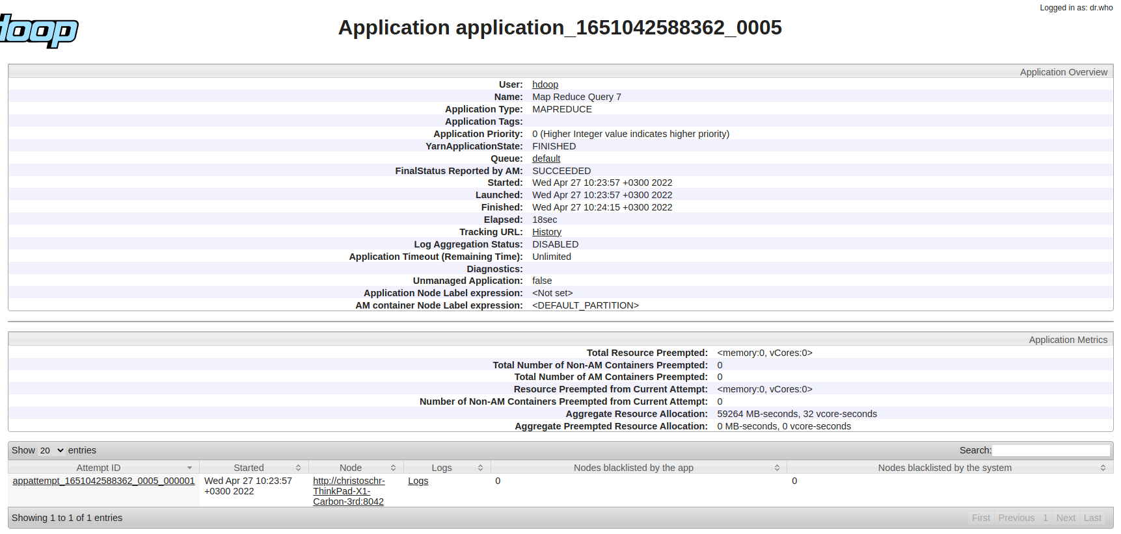
2022-04-27 10:24:05,627 INFO mapreduce.Job: map 0% reduce 0%
2022-04-27 10:24:10,695 INFO mapreduce.Job: map 100% reduce 0%
2022-04-27 10:24:16,743 INFO mapreduce.Job: map 100% reduce 100%
2022-04-27 10:24:17,764 INFO mapreduce.Job: Job job_1651042588362_0005 completed successfully
2022-04-27 10:24:17,858 INFO mapreduce.Job: Counters: 54
 | File System Counters
 |  | FILE: Number of bytes read=144239
 |  | FILE: Number of bytes written=757247
 |  | FILE: Number of read operations=0
 |  | FILE: Number of large read operations=0
 |  | FILE: Number of write operations=0
 |  | HDFS: Number of bytes read=1644250
 |  | HDFS: Number of bytes written=17489
 |  | HDFS: Number of read operations=8
 |  | HDFS: Number of large read operations=0
 |  | HDFS: Number of write operations=2
 |  | HDFS: Number of bytes read erasure-coded=0
 | Job Counters
 |  | Launched map tasks=1
 |  | Launched reduce tasks=1
 |  | Data-local map tasks=1
 |  | Total time spent by all maps in occupied slots (ms)=3232
 |  | Total time spent by all reduces in occupied slots (ms)=3436
 |  | Total time spent by all map tasks (ms)=3232
 |  | Total time spent by all reduce tasks (ms)=3436
 |  | Total vcore-milliseconds taken by all map tasks=3232
 |  | Total vcore-milliseconds taken by all reduce tasks=3436
 |  | Total megabyte-milliseconds taken by all map tasks=3309568
 |  | Total megabyte-milliseconds taken by all reduce tasks=3518464
 | Map-Reduce Framework
 |  | Map input records=15000
 |  | Map output records=9070
 |  | Map output bytes=126093
 |  | Map output materialized bytes=144239
 |  | Input split bytes=113
 |  | Combine input records=0
 |  | Combine output records=0
 |  | Reduce input groups=1000
 |  | Reduce shuffle bytes=144239
 |  | Reduce input records=9070
 |  | Reduce output records=1000
 |  | Spilled Records=18140
 |  | Shuffled Maps =1
 |  | Failed Shuffles=0
 |  | Merged Map outputs=1
 |  | GC time elapsed (ms)=112
 |  | CPU time spent (ms)=3550
 |  | Physical memory (bytes) snapshot=520572928
 |  | Virtual memory (bytes) snapshot=5090381824
 |  | Total committed heap usage (bytes)=444596224
 |  | Peak Map Physical memory (bytes)=328327168
 |  | Peak Map Virtual memory (bytes)=2542063616
 |  | Peak Reduce Physical memory (bytes)=192245760
 |  | Peak Reduce Virtual memory (bytes)=2548318208
 | Shuffle Errors
 |  | BAD_ID=0
 |  | CONNECTION=0
 |  | IO_ERROR=0
 |  | WRONG_LENGTH=0
 |  | WRONG_MAP=0
 |  | WRONG_REDUCE=0
 | File Input Format Counters
 |  | Bytes Read=1644137
 | File Output Format Counters
 |  | Bytes Written=17489

output_mb100_2
hadoop jar ProjectCEI526_v3.jar /user/hdoop/mb100/ /user/hdoop/mapreduce_application/output_mb100_2 1992-01-01 1996-01-01
2022-04-27 10:28:44,068 INFO client.RMProxy: Connecting to ResourceManager at /127.0.0.1:8032
2022-04-27 10:28:44,465 WARN mapreduce.JobResourceUploader: Hadoop command-line option parsing not performed. Implement the Tool interface and execute your application with ToolRunner to remedy this.
2022-04-27 10:28:44,737 INFO mapreduce.JobResourceUploader: Disabling Erasure Coding for path: /tmp/hadoop-yarn/staging/hdoop/.staging/job_1651042588362_0006
2022-04-27 10:28:45,824 INFO input.FileInputFormat: Total input files to process : 1
2022-04-27 10:28:46,021 INFO mapreduce.JobSubmitter: number of splits:1
2022-04-27 10:28:46,198 INFO mapreduce.JobSubmitter: Submitting tokens for job: job_1651042588362_0006
2022-04-27 10:28:46,199 INFO mapreduce.JobSubmitter: Executing with tokens: []
2022-04-27 10:28:46,415 INFO conf.Configuration: resource-types.xml not found
2022-04-27 10:28:46,416 INFO resource.ResourceUtils: Unable to find 'resource-types.xml'.
2022-04-27 10:28:46,477 INFO impl.YarnClientImpl: Submitted application application_1651042588362_0006
2022-04-27 10:28:46,512 INFO mapreduce.Job: The url to track the job: http://christoschr-ThinkPad-X1-Carbon-3rd:8088/proxy/application_1651042588362_0006/
2022-04-27 10:28:46,513 INFO mapreduce.Job: Running job: job_1651042588362_0006
2022-04-27 10:28:54,634 INFO mapreduce.Job: Job job_1651042588362_0006 running in uber mode : false
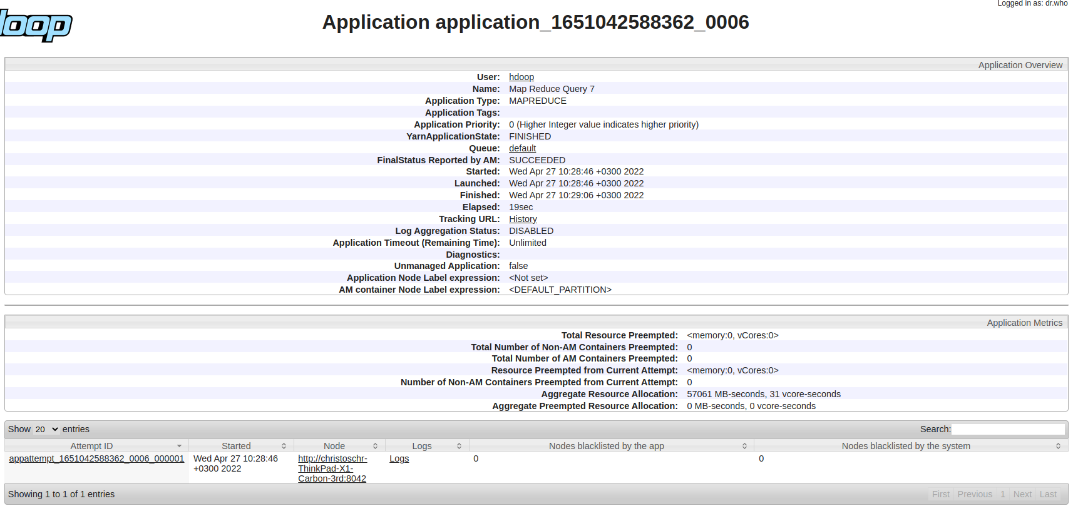
2022-04-27 10:28:54,637 INFO mapreduce.Job: map 0% reduce 0%
2022-04-27 10:29:00,711 INFO mapreduce.Job: map 100% reduce 0%
2022-04-27 10:29:06,761 INFO mapreduce.Job: map 100% reduce 100%
2022-04-27 10:29:07,789 INFO mapreduce.Job: Job job_1651042588362_0006 completed successfully
2022-04-27 10:29:07,937 INFO mapreduce.Job: Counters: 54
 | File System Counters
 |  | FILE: Number of bytes read=1537159
 |  | FILE: Number of bytes written=3543091
 |  | FILE: Number of read operations=0
 |  | FILE: Number of large read operations=0
 |  | FILE: Number of write operations=0
 |  | HDFS: Number of bytes read=16743236
 |  | HDFS: Number of bytes written=184728
 |  | HDFS: Number of read operations=8
 |  | HDFS: Number of large read operations=0
 |  | HDFS: Number of write operations=2
 |  | HDFS: Number of bytes read erasure-coded=0
 | Job Counters
 |  | Launched map tasks=1
 |  | Launched reduce tasks=1
 |  | Data-local map tasks=1
 |  | Total time spent by all maps in occupied slots (ms)=4230
 |  | Total time spent by all reduces in occupied slots (ms)=2861
 |  | Total time spent by all map tasks (ms)=4230
 |  | Total time spent by all reduce tasks (ms)=2861
 |  | Total vcore-milliseconds taken by all map tasks=4230
 |  | Total vcore-milliseconds taken by all reduce tasks=2861
 |  | Total megabyte-milliseconds taken by all map tasks=4331520
 |  | Total megabyte-milliseconds taken by all reduce tasks=2929664
 | Map-Reduce Framework
 |  | Map input records=150000
 |  | Map output records=91039
 |  | Map output bytes=1355075
 |  | Map output materialized bytes=1537159
 |  | Input split bytes=114
 |  | Combine input records=0
 |  | Combine output records=0
 |  | Reduce input groups=9989
 |  | Reduce shuffle bytes=1537159
 |  | Reduce input records=91039
 |  | Reduce output records=9989
 |  | Spilled Records=182078
 |  | Shuffled Maps =1
 |  | Failed Shuffles=0
 |  | Merged Map outputs=1
 |  | GC time elapsed (ms)=127
 |  | CPU time spent (ms)=6230
 |  | Physical memory (bytes) snapshot=655577088
 |  | Virtual memory (bytes) snapshot=5093826560
 |  | Total committed heap usage (bytes)=555745280
 |  | Peak Map Physical memory (bytes)=430129152
 |  | Peak Map Virtual memory (bytes)=2543120384
 |  | Peak Reduce Physical memory (bytes)=225447936
 |  | Peak Reduce Virtual memory (bytes)=2550706176
 | Shuffle Errors
 |  | BAD_ID=0
 |  | CONNECTION=0
 |  | IO_ERROR=0
 |  | WRONG_LENGTH=0
 |  | WRONG_MAP=0
 |  | WRONG_REDUCE=0
 | File Input Format Counters
 |  | Bytes Read=16743122
 | File Output Format Counters
 |  | Bytes Written=184728

output_mb200_2
hadoop jar ProjectCEI526_v3.jar /user/hdoop/mb200/ /user/hdoop/mapreduce_application/output_mb200_2 1992-01-01 1996-01-01
2022-04-27 10:31:12,088 INFO client.RMProxy: Connecting to ResourceManager at /127.0.0.1:8032
2022-04-27 10:31:12,568 WARN mapreduce.JobResourceUploader: Hadoop command-line option parsing not performed. Implement the Tool interface and execute your application with ToolRunner to remedy this.
2022-04-27 10:31:12,838 INFO mapreduce.JobResourceUploader: Disabling Erasure Coding for path: /tmp/hadoop-yarn/staging/hdoop/.staging/job_1651042588362_0007
2022-04-27 10:31:13,975 INFO input.FileInputFormat: Total input files to process : 1
2022-04-27 10:31:14,814 INFO mapreduce.JobSubmitter: number of splits:1
2022-04-27 10:31:14,991 INFO mapreduce.JobSubmitter: Submitting tokens for job: job_1651042588362_0007
2022-04-27 10:31:14,993 INFO mapreduce.JobSubmitter: Executing with tokens: []
2022-04-27 10:31:15,203 INFO conf.Configuration: resource-types.xml not found
2022-04-27 10:31:15,203 INFO resource.ResourceUtils: Unable to find 'resource-types.xml'.
2022-04-27 10:31:15,261 INFO impl.YarnClientImpl: Submitted application application_1651042588362_0007
2022-04-27 10:31:15,298 INFO mapreduce.Job: The url to track the job: http://christoschr-ThinkPad-X1-Carbon-3rd:8088/proxy/application_1651042588362_0007/
2022-04-27 10:31:15,298 INFO mapreduce.Job: Running job: job_1651042588362_0007
2022-04-27 10:31:23,420 INFO mapreduce.Job: Job job_1651042588362_0007 running in uber mode : false
2022-04-27 10:31:23,423 INFO mapreduce.Job: map 0% reduce 0%
2022-04-27 10:31:31,624 INFO mapreduce.Job: map 100% reduce 0%
2022-04-27 10:31:38,679 INFO mapreduce.Job: map 100% reduce 100%
2022-04-27 10:31:39,701 INFO mapreduce.Job: Job job_1651042588362_0007 completed successfully
2022-04-27 10:31:39,794 INFO mapreduce.Job: Counters: 54
 | File System Counters
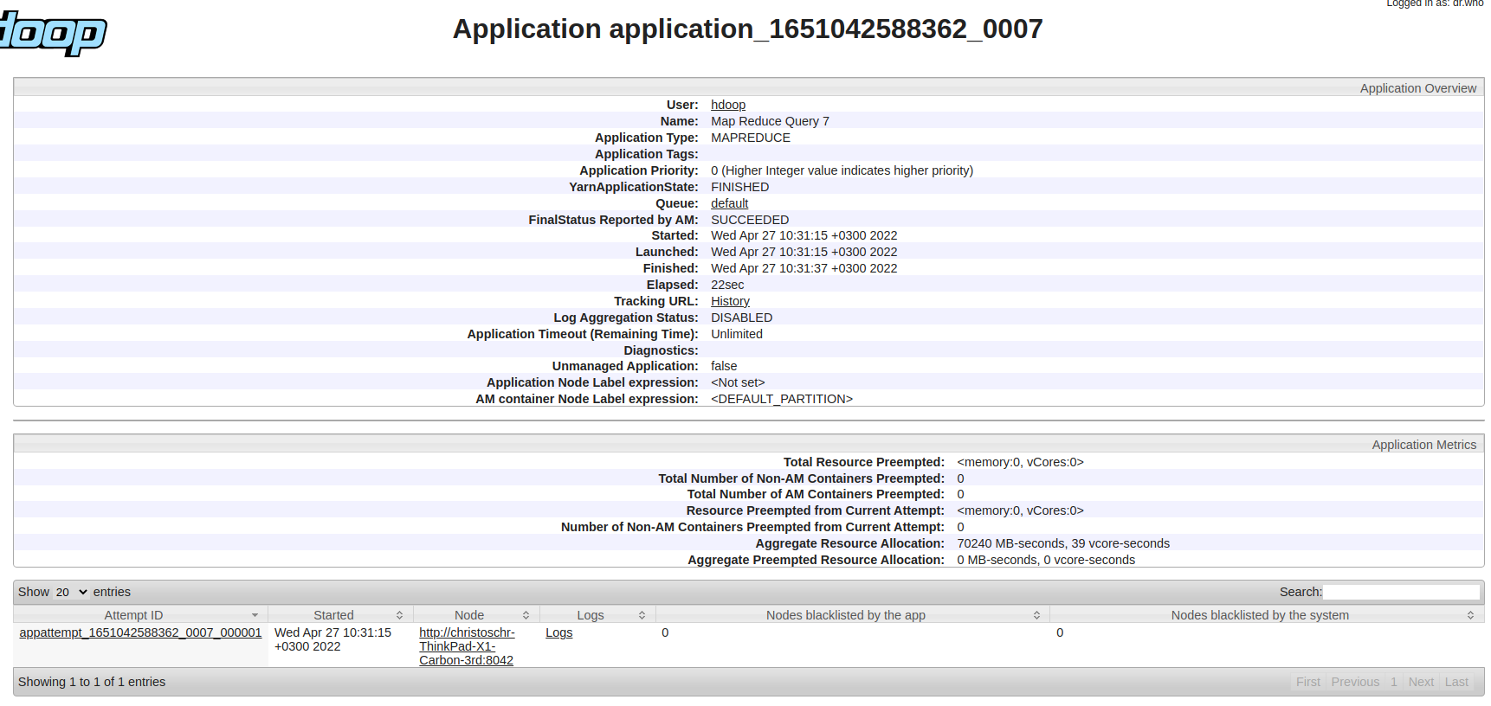
 |  | FILE: Number of bytes read=3143465
 |  | FILE: Number of bytes written=6755703
 |  | FILE: Number of read operations=0
 |  | FILE: Number of large read operations=0
 |  | FILE: Number of write operations=0
 |  | HDFS: Number of bytes read=33679839
 |  | HDFS: Number of bytes written=376884
 |  | HDFS: Number of read operations=8
 |  | HDFS: Number of large read operations=0
 |  | HDFS: Number of write operations=2
 |  | HDFS: Number of bytes read erasure-coded=0
 | Job Counters
 |  | Launched map tasks=1
 |  | Launched reduce tasks=1
 |  | Data-local map tasks=1
 |  | Total time spent by all maps in occupied slots (ms)=5870
 |  | Total time spent by all reduces in occupied slots (ms)=3852
 |  | Total time spent by all map tasks (ms)=5870
 |  | Total time spent by all reduce tasks (ms)=3852
 |  | Total vcore-milliseconds taken by all map tasks=5870
 |  | Total vcore-milliseconds taken by all reduce tasks=3852
 |  | Total megabyte-milliseconds taken by all map tasks=6010880
 |  | Total megabyte-milliseconds taken by all reduce tasks=3944448
 | Map-Reduce Framework
 |  | Map input records=300000
 |  | Map output records=182187
 |  | Map output bytes=2779085
 |  | Map output materialized bytes=3143465
 |  | Input split bytes=114
 |  | Combine input records=0
 |  | Combine output records=0
 |  | Reduce input groups=19980
 |  | Reduce shuffle bytes=3143465
 |  | Reduce input records=182187
 |  | Reduce output records=19980
 |  | Spilled Records=364374
 |  | Shuffled Maps =1
 |  | Failed Shuffles=0
 |  | Merged Map outputs=1
 |  | GC time elapsed (ms)=175
 |  | CPU time spent (ms)=8990
 |  | Physical memory (bytes) snapshot=716308480
 |  | Virtual memory (bytes) snapshot=5091897344
 |  | Total committed heap usage (bytes)=609222656
 |  | Peak Map Physical memory (bytes)=484507648
 |  | Peak Map Virtual memory (bytes)=2541895680
 |  | Peak Reduce Physical memory (bytes)=231800832
 |  | Peak Reduce Virtual memory (bytes)=2550001664
 | Shuffle Errors
 |  | BAD_ID=0
 |  | CONNECTION=0
 |  | IO_ERROR=0
 |  | WRONG_LENGTH=0
 |  | WRONG_MAP=0
 |  | WRONG_REDUCE=0
 | File Input Format Counters
 |  | Bytes Read=33679725
 | File Output Format Counters
 |  | Bytes Written=376884

output_mb500_2
hadoop jar ProjectCEI526_v3.jar /user/hdoop/mb500/ /user/hdoop/mapreduce_application/output_mb500_2 1992-01-01 1996-01-01
2022-04-27 10:33:30,727 INFO client.RMProxy: Connecting to ResourceManager at /127.0.0.1:8032
2022-04-27 10:33:31,143 WARN mapreduce.JobResourceUploader: Hadoop command-line option parsing not performed. Implement the Tool interface and execute your application with ToolRunner to remedy this.
2022-04-27 10:33:31,180 INFO mapreduce.JobResourceUploader: Disabling Erasure Coding for path: /tmp/hadoop-yarn/staging/hdoop/.staging/job_1651042588362_0008
2022-04-27 10:33:31,824 INFO input.FileInputFormat: Total input files to process : 1
2022-04-27 10:33:32,411 INFO mapreduce.JobSubmitter: number of splits:1
2022-04-27 10:33:32,583 INFO mapreduce.JobSubmitter: Submitting tokens for job: job_1651042588362_0008
2022-04-27 10:33:32,585 INFO mapreduce.JobSubmitter: Executing with tokens: []
2022-04-27 10:33:32,787 INFO conf.Configuration: resource-types.xml not found
2022-04-27 10:33:32,787 INFO resource.ResourceUtils: Unable to find 'resource-types.xml'.
2022-04-27 10:33:32,847 INFO impl.YarnClientImpl: Submitted application application_1651042588362_0008
2022-04-27 10:33:32,883 INFO mapreduce.Job: The url to track the job: http://christoschr-ThinkPad-X1-Carbon-3rd:8088/proxy/application_1651042588362_0008/
2022-04-27 10:33:32,884 INFO mapreduce.Job: Running job: job_1651042588362_0008
2022-04-27 10:33:40,998 INFO mapreduce.Job: Job job_1651042588362_0008 running in uber mode : false
2022-04-27 10:33:41,001 INFO mapreduce.Job: map 0% reduce 0%
2022-04-27 10:33:52,098 INFO mapreduce.Job: map 100% reduce 0%
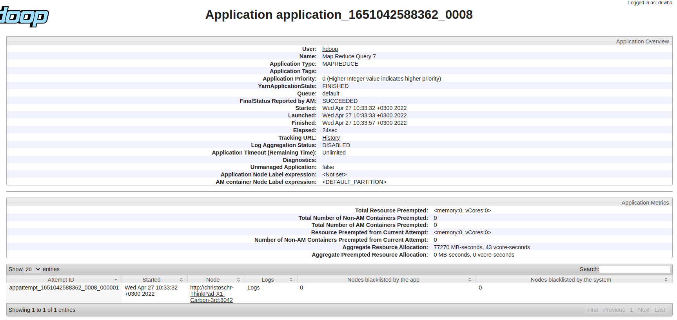
2022-04-27 10:33:58,155 INFO mapreduce.Job: map 100% reduce 100%
2022-04-27 10:33:59,177 INFO mapreduce.Job: Job job_1651042588362_0008 completed successfully
2022-04-27 10:33:59,269 INFO mapreduce.Job: Counters: 54
 | File System Counters
 |  | FILE: Number of bytes read=7953933
 |  | FILE: Number of bytes written=16376639
 |  | FILE: Number of read operations=0
 |  | FILE: Number of large read operations=0
 |  | FILE: Number of write operations=0
 |  | HDFS: Number of bytes read=84793052
 |  | HDFS: Number of bytes written=953005
 |  | HDFS: Number of read operations=8
 |  | HDFS: Number of large read operations=0
 |  | HDFS: Number of write operations=2
 |  | HDFS: Number of bytes read erasure-coded=0
 | Job Counters
 |  | Launched map tasks=1
 |  | Launched reduce tasks=1
 |  | Data-local map tasks=1
 |  | Total time spent by all maps in occupied slots (ms)=8264
 |  | Total time spent by all reduces in occupied slots (ms)=4061
 |  | Total time spent by all map tasks (ms)=8264
 |  | Total time spent by all reduce tasks (ms)=4061
 |  | Total vcore-milliseconds taken by all map tasks=8264
 |  | Total vcore-milliseconds taken by all reduce tasks=4061
 |  | Total megabyte-milliseconds taken by all map tasks=8462336
 |  | Total megabyte-milliseconds taken by all reduce tasks=4158464
 | Map-Reduce Framework
 |  | Map input records=750000
 |  | Map output records=454908
 |  | Map output bytes=7044111
 |  | Map output materialized bytes=7953933
 |  | Input split bytes=114
 |  | Combine input records=0
 |  | Combine output records=0
 |  | Reduce input groups=49919
 |  | Reduce shuffle bytes=7953933
 |  | Reduce input records=454908
 |  | Reduce output records=49919
 |  | Spilled Records=909816
 |  | Shuffled Maps =1
 |  | Failed Shuffles=0
 |  | Merged Map outputs=1
 |  | GC time elapsed (ms)=159
 |  | CPU time spent (ms)=12040
 |  | Physical memory (bytes) snapshot=739434496
 |  | Virtual memory (bytes) snapshot=5090951168
 |  | Total committed heap usage (bytes)=654835712
 |  | Peak Map Physical memory (bytes)=491040768
 |  | Peak Map Virtual memory (bytes)=2541580288
 |  | Peak Reduce Physical memory (bytes)=248393728
 |  | Peak Reduce Virtual memory (bytes)=2549370880
 | Shuffle Errors
 |  | BAD_ID=0
 |  | CONNECTION=0
 |  | IO_ERROR=0
 |  | WRONG_LENGTH=0
 |  | WRONG_MAP=0
 |  | WRONG_REDUCE=0
 | File Input Format Counters
 |  | Bytes Read=84792938
 | File Output Format Counters
 |  | Bytes Written=953005

output_mb10_3
hadoop jar ProjectCEI526_v3.jar /user/hdoop/mb10/ /user/hdoop/mapreduce_application/output_mb10_3 1992-01-01 1998-01-01
2022-04-27 10:36:14,175 INFO client.RMProxy: Connecting to ResourceManager at /127.0.0.1:8032
2022-04-27 10:36:14,583 WARN mapreduce.JobResourceUploader: Hadoop command-line option parsing not performed. Implement the Tool interface and execute your application with ToolRunner to remedy this.
2022-04-27 10:36:14,624 INFO mapreduce.JobResourceUploader: Disabling Erasure Coding for path: /tmp/hadoop-yarn/staging/hdoop/.staging/job_1651042588362_0009
2022-04-27 10:36:15,192 INFO input.FileInputFormat: Total input files to process : 1
2022-04-27 10:36:15,787 INFO mapreduce.JobSubmitter: number of splits:1
2022-04-27 10:36:15,972 INFO mapreduce.JobSubmitter: Submitting tokens for job: job_1651042588362_0009
2022-04-27 10:36:15,974 INFO mapreduce.JobSubmitter: Executing with tokens: []
2022-04-27 10:36:16,190 INFO conf.Configuration: resource-types.xml not found
2022-04-27 10:36:16,190 INFO resource.ResourceUtils: Unable to find 'resource-types.xml'.
2022-04-27 10:36:16,247 INFO impl.YarnClientImpl: Submitted application application_1651042588362_0009
2022-04-27 10:36:16,283 INFO mapreduce.Job: The url to track the job: http://christoschr-ThinkPad-X1-Carbon-3rd:8088/proxy/application_1651042588362_0009/
2022-04-27 10:36:16,284 INFO mapreduce.Job: Running job: job_1651042588362_0009
2022-04-27 10:36:24,418 INFO mapreduce.Job: Job job_1651042588362_0009 running in uber mode : false
2022-04-27 10:36:24,421 INFO mapreduce.Job: map 0% reduce 0%
2022-04-27 10:36:30,498 INFO mapreduce.Job: map 100% reduce 0%
2022-04-27 10:36:35,538 INFO mapreduce.Job: map 100% reduce 100%
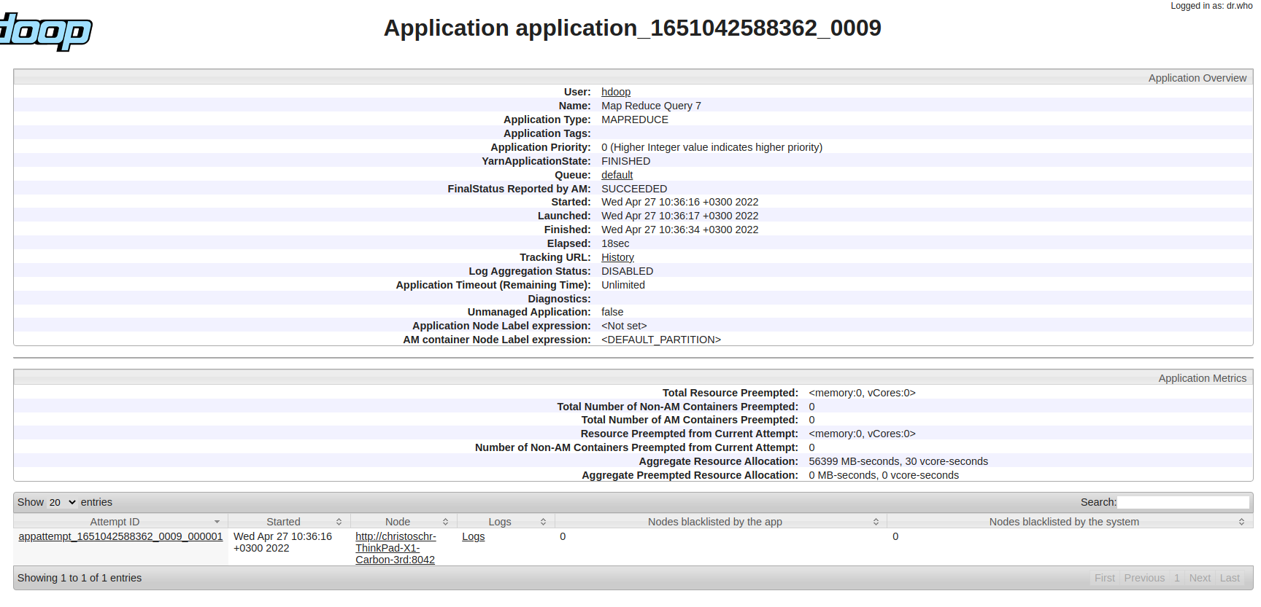
2022-04-27 10:36:35,553 INFO mapreduce.Job: Job job_1651042588362_0009 completed successfully
2022-04-27 10:36:35,647 INFO mapreduce.Job: Counters: 54
 | File System Counters
 |  | FILE: Number of bytes read=217012
 |  | FILE: Number of bytes written=902793
 |  | FILE: Number of read operations=0
 |  | FILE: Number of large read operations=0
 |  | FILE: Number of write operations=0
 |  | HDFS: Number of bytes read=1644250
 |  | HDFS: Number of bytes written=17904
 |  | HDFS: Number of read operations=8
 |  | HDFS: Number of large read operations=0
 |  | HDFS: Number of write operations=2
 |  | HDFS: Number of bytes read erasure-coded=0
 | Job Counters
 |  | Launched map tasks=1
 |  | Launched reduce tasks=1
 |  | Data-local map tasks=1
 |  | Total time spent by all maps in occupied slots (ms)=3263
 |  | Total time spent by all reduces in occupied slots (ms)=2537
 |  | Total time spent by all map tasks (ms)=3263
 |  | Total time spent by all reduce tasks (ms)=2537
 |  | Total vcore-milliseconds taken by all map tasks=3263
 |  | Total vcore-milliseconds taken by all reduce tasks=2537
 |  | Total megabyte-milliseconds taken by all map tasks=3341312
 |  | Total megabyte-milliseconds taken by all reduce tasks=2597888
 | Map-Reduce Framework
 |  | Map input records=15000
 |  | Map output records=13654
 |  | Map output bytes=189698
 |  | Map output materialized bytes=217012
 |  | Input split bytes=113
 |  | Combine input records=0
 |  | Combine output records=0
 |  | Reduce input groups=1000
 |  | Reduce shuffle bytes=217012
 |  | Reduce input records=13654
 |  | Reduce output records=1000
 |  | Spilled Records=27308
 |  | Shuffled Maps =1
 |  | Failed Shuffles=0
 |  | Merged Map outputs=1
 |  | GC time elapsed (ms)=116
 |  | CPU time spent (ms)=3830
 |  | Physical memory (bytes) snapshot=527777792
 |  | Virtual memory (bytes) snapshot=5089677312
 |  | Total committed heap usage (bytes)=441974784
 |  | Peak Map Physical memory (bytes)=332595200
 |  | Peak Map Virtual memory (bytes)=2541789184
 |  | Peak Reduce Physical memory (bytes)=195182592
 |  | Peak Reduce Virtual memory (bytes)=2547888128
 | Shuffle Errors
 |  | BAD_ID=0
 |  | CONNECTION=0
 |  | IO_ERROR=0
 |  | WRONG_LENGTH=0
 |  | WRONG_MAP=0
 |  | WRONG_REDUCE=0
 | File Input Format Counters
 |  | Bytes Read=1644137
 | File Output Format Counters
 |  | Bytes Written=17904

output_mb100_3
hadoop jar ProjectCEI526_v3.jar /user/hdoop/mb100/ /user/hdoop/mapreduce_application/output_mb100_3 1992-01-01 1998-01-01
2022-04-27 10:38:11,916 INFO client.RMProxy: Connecting to ResourceManager at /127.0.0.1:8032
2022-04-27 10:38:12,357 WARN mapreduce.JobResourceUploader: Hadoop command-line option parsing not performed. Implement the Tool interface and execute your application with ToolRunner to remedy this.
2022-04-27 10:38:12,401 INFO mapreduce.JobResourceUploader: Disabling Erasure Coding for path: /tmp/hadoop-yarn/staging/hdoop/.staging/job_1651042588362_0010
2022-04-27 10:38:13,009 INFO input.FileInputFormat: Total input files to process : 1
2022-04-27 10:38:13,204 INFO mapreduce.JobSubmitter: number of splits:1
2022-04-27 10:38:13,391 INFO mapreduce.JobSubmitter: Submitting tokens for job: job_1651042588362_0010
2022-04-27 10:38:13,392 INFO mapreduce.JobSubmitter: Executing with tokens: []
2022-04-27 10:38:13,568 INFO conf.Configuration: resource-types.xml not found
2022-04-27 10:38:13,569 INFO resource.ResourceUtils: Unable to find 'resource-types.xml'.
2022-04-27 10:38:13,633 INFO impl.YarnClientImpl: Submitted application application_1651042588362_0010
2022-04-27 10:38:13,670 INFO mapreduce.Job: The url to track the job: http://christoschr-ThinkPad-X1-Carbon-3rd:8088/proxy/application_1651042588362_0010/
2022-04-27 10:38:13,671 INFO mapreduce.Job: Running job: job_1651042588362_0010
2022-04-27 10:38:21,775 INFO mapreduce.Job: Job job_1651042588362_0010 running in uber mode : false
2022-04-27 10:38:21,777 INFO mapreduce.Job: map 0% reduce 0%
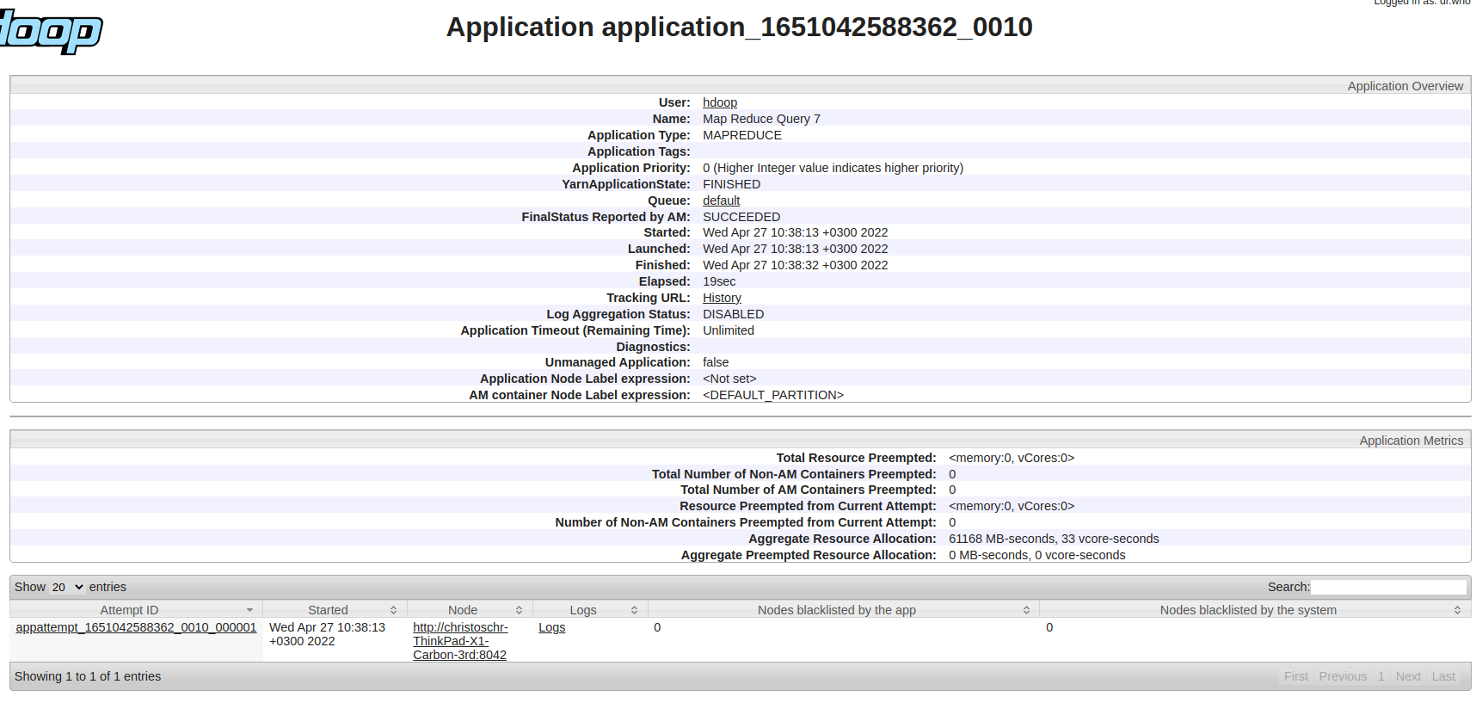
2022-04-27 10:38:27,856 INFO mapreduce.Job: map 100% reduce 0%
2022-04-27 10:38:33,909 INFO mapreduce.Job: map 100% reduce 100%
2022-04-27 10:38:33,924 INFO mapreduce.Job: Job job_1651042588362_0010 completed successfully
2022-04-27 10:38:34,014 INFO mapreduce.Job: Counters: 54
 | File System Counters
 |  | FILE: Number of bytes read=2303370
 |  | FILE: Number of bytes written=5075513
 |  | FILE: Number of read operations=0
 |  | FILE: Number of large read operations=0
 |  | FILE: Number of write operations=0
 |  | HDFS: Number of bytes read=16743236
 |  | HDFS: Number of bytes written=188777
 |  | HDFS: Number of read operations=8
 |  | HDFS: Number of large read operations=0
 |  | HDFS: Number of write operations=2
 |  | HDFS: Number of bytes read erasure-coded=0
 | Job Counters
 |  | Launched map tasks=1
 |  | Launched reduce tasks=1
 |  | Data-local map tasks=1
 |  | Total time spent by all maps in occupied slots (ms)=4166
 |  | Total time spent by all reduces in occupied slots (ms)=2937
 |  | Total time spent by all map tasks (ms)=4166
 |  | Total time spent by all reduce tasks (ms)=2937
 |  | Total vcore-milliseconds taken by all map tasks=4166
 |  | Total vcore-milliseconds taken by all reduce tasks=2937
 |  | Total megabyte-milliseconds taken by all map tasks=4265984
 |  | Total megabyte-milliseconds taken by all reduce tasks=3007488
 | Map-Reduce Framework
 |  | Map input records=150000
 |  | Map output records=136436
 |  | Map output bytes=2030492
 |  | Map output materialized bytes=2303370
 |  | Input split bytes=114
 |  | Combine input records=0
 |  | Combine output records=0
 |  | Reduce input groups=10000
 |  | Reduce shuffle bytes=2303370
 |  | Reduce input records=136436
 |  | Reduce output records=10000
 |  | Spilled Records=272872
 |  | Shuffled Maps =1
 |  | Failed Shuffles=0
 |  | Merged Map outputs=1
 |  | GC time elapsed (ms)=136
 |  | CPU time spent (ms)=6260
 |  | Physical memory (bytes) snapshot=695615488
 |  | Virtual memory (bytes) snapshot=5092024320
 |  | Total committed heap usage (bytes)=586153984
 |  | Peak Map Physical memory (bytes)=464224256
 |  | Peak Map Virtual memory (bytes)=2542833664
 |  | Peak Reduce Physical memory (bytes)=231391232
 |  | Peak Reduce Virtual memory (bytes)=2549190656
 | Shuffle Errors
 |  | BAD_ID=0
 |  | CONNECTION=0
 |  | IO_ERROR=0
 |  | WRONG_LENGTH=0
 |  | WRONG_MAP=0
 |  | WRONG_REDUCE=0
 | File Input Format Counters
 |  | Bytes Read=16743122
 | File Output Format Counters
 |  | Bytes Written=188777

output_mb200_3
hadoop jar ProjectCEI526_v3.jar /user/hdoop/mb200/ /user/hdoop/mapreduce_application/output_mb200_3 1992-01-01 1998-01-01
2022-04-27 10:40:21,876 INFO client.RMProxy: Connecting to ResourceManager at /127.0.0.1:8032
2022-04-27 10:40:22,282 WARN mapreduce.JobResourceUploader: Hadoop command-line option parsing not performed. Implement the Tool interface and execute your application with ToolRunner to remedy this.
2022-04-27 10:40:22,323 INFO mapreduce.JobResourceUploader: Disabling Erasure Coding for path: /tmp/hadoop-yarn/staging/hdoop/.staging/job_1651042588362_0011
2022-04-27 10:40:22,932 INFO input.FileInputFormat: Total input files to process : 1
2022-04-27 10:40:23,143 INFO mapreduce.JobSubmitter: number of splits:1
2022-04-27 10:40:23,327 INFO mapreduce.JobSubmitter: Submitting tokens for job: job_1651042588362_0011
2022-04-27 10:40:23,329 INFO mapreduce.JobSubmitter: Executing with tokens: []
2022-04-27 10:40:23,536 INFO conf.Configuration: resource-types.xml not found
2022-04-27 10:40:23,537 INFO resource.ResourceUtils: Unable to find 'resource-types.xml'.
2022-04-27 10:40:23,598 INFO impl.YarnClientImpl: Submitted application application_1651042588362_0011
2022-04-27 10:40:23,635 INFO mapreduce.Job: The url to track the job: http://christoschr-ThinkPad-X1-Carbon-3rd:8088/proxy/application_1651042588362_0011/
2022-04-27 10:40:23,635 INFO mapreduce.Job: Running job: job_1651042588362_0011
2022-04-27 10:40:31,741 INFO mapreduce.Job: Job job_1651042588362_0011 running in uber mode : false
2022-04-27 10:40:31,744 INFO mapreduce.Job: map 0% reduce 0%
2022-04-27 10:40:39,825 INFO mapreduce.Job: map 100% reduce 0%

2022-04-27 10:40:44,861 INFO mapreduce.Job: map 100% reduce 100%
2022-04-27 10:40:45,886 INFO mapreduce.Job: Job job_1651042588362_0011 completed successfully
2022-04-27 10:40:45,972 INFO mapreduce.Job: Counters: 54
 | File System Counters
 |  | FILE: Number of bytes read=4709390
 |  | FILE: Number of bytes written=9887553
 |  | FILE: Number of read operations=0
 |  | FILE: Number of large read operations=0
 |  | FILE: Number of write operations=0
 |  | HDFS: Number of bytes read=33679839
 |  | HDFS: Number of bytes written=384945
 |  | HDFS: Number of read operations=8
 |  | HDFS: Number of large read operations=0
 |  | HDFS: Number of write operations=2
 |  | HDFS: Number of bytes read erasure-coded=0
 | Job Counters
 |  | Launched map tasks=1
 |  | Launched reduce tasks=1
 |  | Data-local map tasks=1
 |  | Total time spent by all maps in occupied slots (ms)=5630
 |  | Total time spent by all reduces in occupied slots (ms)=3242
 |  | Total time spent by all map tasks (ms)=5630
 |  | Total time spent by all reduce tasks (ms)=3242
 |  | Total vcore-milliseconds taken by all map tasks=5630
 |  | Total vcore-milliseconds taken by all reduce tasks=3242
 |  | Total megabyte-milliseconds taken by all map tasks=5765120
 |  | Total megabyte-milliseconds taken by all reduce tasks=3319808
 | Map-Reduce Framework
 |  | Map input records=300000
 |  | Map output records=272953
 |  | Map output bytes=4163478
 |  | Map output materialized bytes=4709390
 |  | Input split bytes=114
 |  | Combine input records=0
 |  | Combine output records=0
 |  | Reduce input groups=19997
 |  | Reduce shuffle bytes=4709390
 |  | Reduce input records=272953
 |  | Reduce output records=19997
 |  | Spilled Records=545906
 |  | Shuffled Maps =1
 |  | Failed Shuffles=0
 |  | Merged Map outputs=1
 |  | GC time elapsed (ms)=124
 |  | CPU time spent (ms)=8550
 |  | Physical memory (bytes) snapshot=713129984
 |  | Virtual memory (bytes) snapshot=5089951744
 |  | Total committed heap usage (bytes)=611844096
 |  | Peak Map Physical memory (bytes)=485924864
 |  | Peak Map Virtual memory (bytes)=2541187072
 |  | Peak Reduce Physical memory (bytes)=227205120
 |  | Peak Reduce Virtual memory (bytes)=2548764672
 | Shuffle Errors
 |  | BAD_ID=0
 |  | CONNECTION=0
 |  | IO_ERROR=0
 |  | WRONG_LENGTH=0
 |  | WRONG_MAP=0
 |  | WRONG_REDUCE=0
 | File Input Format Counters
 |  | Bytes Read=33679725
 | File Output Format Counters
 |  | Bytes Written=384945

output_mb500_3
hadoop jar ProjectCEI526_v3.jar /user/hdoop/mb500/ /user/hdoop/mapreduce_application/output_mb500_3 1992-01-01 1998-01-01
2022-04-27 10:42:03,486 INFO client.RMProxy: Connecting to ResourceManager at /127.0.0.1:8032
2022-04-27 10:42:04,069 WARN mapreduce.JobResourceUploader: Hadoop command-line option parsing not performed. Implement the Tool interface and execute your application with ToolRunner to remedy this.
2022-04-27 10:42:04,110 INFO mapreduce.JobResourceUploader: Disabling Erasure Coding for path: /tmp/hadoop-yarn/staging/hdoop/.staging/job_1651042588362_0012
2022-04-27 10:42:04,867 INFO input.FileInputFormat: Total input files to process : 1
2022-04-27 10:42:05,065 INFO mapreduce.JobSubmitter: number of splits:1
2022-04-27 10:42:05,264 INFO mapreduce.JobSubmitter: Submitting tokens for job: job_1651042588362_0012
2022-04-27 10:42:05,266 INFO mapreduce.JobSubmitter: Executing with tokens: []
2022-04-27 10:42:05,503 INFO conf.Configuration: resource-types.xml not found
2022-04-27 10:42:05,504 INFO resource.ResourceUtils: Unable to find 'resource-types.xml'.
2022-04-27 10:42:05,570 INFO impl.YarnClientImpl: Submitted application application_1651042588362_0012
2022-04-27 10:42:05,608 INFO mapreduce.Job: The url to track the job: http://christoschr-ThinkPad-X1-Carbon-3rd:8088/proxy/application_1651042588362_0012/
2022-04-27 10:42:05,608 INFO mapreduce.Job: Running job: job_1651042588362_0012
2022-04-27 10:42:14,854 INFO mapreduce.Job: Job job_1651042588362_0012 running in uber mode : false
2022-04-27 10:42:14,855 INFO mapreduce.Job: map 0% reduce 0%
2022-04-27 10:42:26,981 INFO mapreduce.Job: map 100% reduce 0%
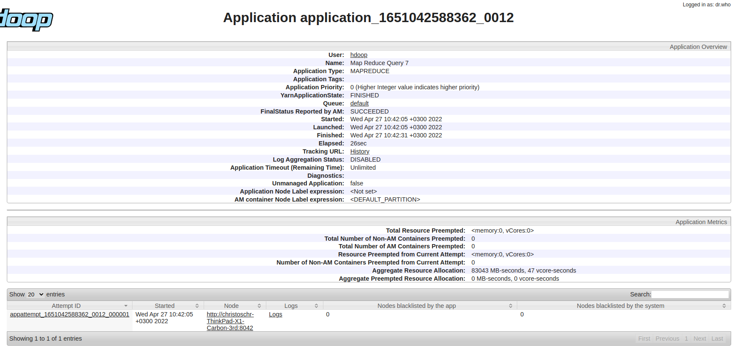
2022-04-27 10:42:33,029 INFO mapreduce.Job: map 100% reduce 100%
2022-04-27 10:42:33,042 INFO mapreduce.Job: Job job_1651042588362_0012 completed successfully
2022-04-27 10:42:33,179 INFO mapreduce.Job: Counters: 54
 | File System Counters
 |  | FILE: Number of bytes read=11937758
 |  | FILE: Number of bytes written=24344289
 |  | FILE: Number of read operations=0
 |  | FILE: Number of large read operations=0
 |  | FILE: Number of write operations=0
 |  | HDFS: Number of bytes read=84793052
 |  | HDFS: Number of bytes written=973835
 |  | HDFS: Number of read operations=8
 |  | HDFS: Number of large read operations=0
 |  | HDFS: Number of write operations=2
 |  | HDFS: Number of bytes read erasure-coded=0
 | Job Counters
 |  | Launched map tasks=1
 |  | Launched reduce tasks=1
 |  | Data-local map tasks=1
 |  | Total time spent by all maps in occupied slots (ms)=9777
 |  | Total time spent by all reduces in occupied slots (ms)=4128
 |  | Total time spent by all map tasks (ms)=9777
 |  | Total time spent by all reduce tasks (ms)=4128
 |  | Total vcore-milliseconds taken by all map tasks=9777
 |  | Total vcore-milliseconds taken by all reduce tasks=4128
 |  | Total megabyte-milliseconds taken by all map tasks=10011648
 |  | Total megabyte-milliseconds taken by all reduce tasks=4227072
 | Map-Reduce Framework
 |  | Map input records=750000
 |  | Map output records=682766
 |  | Map output bytes=10572220
 |  | Map output materialized bytes=11937758
 |  | Input split bytes=114
 |  | Combine input records=0
 |  | Combine output records=0
 |  | Reduce input groups=49995
 |  | Reduce shuffle bytes=11937758
 |  | Reduce input records=682766
 |  | Reduce output records=49995
 |  | Spilled Records=1365532
 |  | Shuffled Maps =1
 |  | Failed Shuffles=0
 |  | Merged Map outputs=1
 |  | GC time elapsed (ms)=191
 |  | CPU time spent (ms)=14400
 |  | Physical memory (bytes) snapshot=769581056
 |  | Virtual memory (bytes) snapshot=5098479616
 |  | Total committed heap usage (bytes)=659554304
 |  | Peak Map Physical memory (bytes)=488312832
 |  | Peak Map Virtual memory (bytes)=2540634112
 |  | Peak Reduce Physical memory (bytes)=281268224
 |  | Peak Reduce Virtual memory (bytes)=2557845504
 | Shuffle Errors
 |  | BAD_ID=0
 |  | CONNECTION=0
 |  | IO_ERROR=0
 |  | WRONG_LENGTH=0
 |  | WRONG_MAP=0
 |  | WRONG_REDUCE=0
 | File Input Format Counters
 |  | Bytes Read=84792938
 | File Output Format Counters
 |  | Bytes Written=973835

